SDoC
SUPPLIERS DECLARATION OF CONFORMITY
for Material Declaration Management
(Please refer to IMO Resolution MEPC.269(68))

1) | SDoC ID No: |  | 8003-56005-88 |  | Supplier Ref:General IHM

2) | Issuers name: |  | Zenitel Norway AS

3) | Issuers adress: |  | Bromsveien 17 NO-3194 Horten Norway

 | Object(s) of the declaration: |  | 1159620200 - ACM-E20 MODULE

4) | The object of declaration described above is in conformity with the requirement of the following documents:

 | Document No.: | Title: |  |  |  | Edition/date of issue:

5) | SR/CONF/45 | The Hong Kong International Convention for the Safe and Environmentally Sound Recycling of Ships |  |  |  | 2015-05-15

 | MEPC.269(68) | IMO Guidelines for the development of the Inventory of Hazardous Materials |  |  |  | 2013-11-20

 | EU No. 1257/2013 | EU regulation on ship recycling |  |  |  | 2016-10-28

 | - | EMSA's Best Practice Guidance on the Inventory of Hazardous Materials |  |  |  | 2016-10-28

6) | Additional Information:

 | Signed for and on behalf of:

 | Zenitel Norway AS

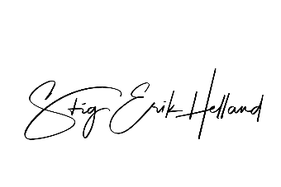
 | Horten |  |  | 18.03.2024
 | Place of issue |  |  | Date of issue

7) | Stig Erik Helland, Director of Product Management
 | Name and function |  |  |  | Sign

 | On behalf of the supplier, Metizoft AS performs due diligence and quality assurance related to any HazMat content in the supplies as defined by regulations listed above.

