SDoC
SUPPLIERS DECLARATION OF CONFORMITY
for Material Declaration Management

1) | SDoC ID No: |  | 8003-70767-1262

2) | Issuers name: |  | Zenitel Norway AS

3) | Issuers adress: |  | Bromsveien 17 NO-3194 Horten Norway

 | Object(s) of the declaration: |  | 1000356 - UPS-P91-1500 Online UPS - 1450W/3min, 120VAC

4) | The object of declaration described above is in conformity with the requirement of the following documents:

 | Document No.: | Title: |  |  |  | Edition/date of issue:

5) | SR/CONF/45 | The Hong Kong International Convention for the Safe and Environmentally Sound Recycling of Ships |  |  |  | 2009-05-19

 | MEPC.379(80) | IMO Guidelines for the development of the Inventory |  |  |  | 2023-07-07
 |  | of Hazardous Materials and as amended by MEPC.405(83)

 | EU No. 1257/2013 | EU regulation on ship recycling |  |  |  | 2013-11-20

 | - | EMSA's Best Practice Guidance on the Inventory of Hazardous Materials |  |  |  | 2016-10-28

6) | Additional Information:

 | Signed for and on behalf of:

 | Zenitel Norway AS

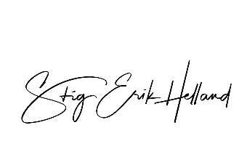
 | Horten |  |  | 30.10.2025
 | Place of issue |  |  | Date of issue

7) | Stig Erik Helland, Director of Product Management
 | Name and function |  |  |  | Sign

 | On behalf of the supplier, Metizoft AS performs due diligence and quality assurance related to any HazMat content in the supplies as defined by regulations listed above.

